Лист1
 | category | value |  | value | value | value | value | value | value | value | value
1 | Bug ID | ITBC1 | ITBC2 | ITBC3 | ITBC4 | ITBC-5 | ITBC-6 | ITBC-7 | ITBC-8 | ITBC-9 | ITBC-10
2 | Summary | Successful Registration with empty username and password fields | Successful Registration with ivalid datas in postalcode field | Successful Login with empty username and password fields | Successful Login with invalid username and empty password field | The link for detailed information about your destination is not working | The link for detailed information about featured vacation destination is not working | Suport button in header is currently under construction | Round trip button in Fly finder does not work properly | Customer can choose non-existen date in Fly finder | Fly finder always return the same message
3 | Reporter | Svetlana Pavlovic | Svetlana Pavlovic | Svetlana Pavlovic | Svetlana Pavlovic | Svetlana Pavlovic | Svetlana Pavlovic | Svetlana Pavlovic | Svetlana Pavlovic | Svetlana Pavlovic | Svetlana Pavlovic
4 | Submit Date | 27.05.2021 at 10:40 pm | 27.05.2021 at 10:50 pm | 27.05.2021 at 11:20 pm | 27.05.2021 at 11:25 pm | 27.05.2021 at 11:27 pm | 21.05.2021 at 11:30 pm | 27.05.2021 at 11:40 pm | 28.05.2021 at 08:10 am | 28.05.2021 at 08:15 am | 28.05.2021 at 08:45 am
5 | Assigned to | Svetlana Pavlovic | Svetlana Pavlovic | Svetlana Pavlovic | Svetlana Pavlovic | Svetlana Pavlovic | Svetlana Pavlovic | Svetlana Pavlovic | Svetlana Pavlovic | Svetlana Pavlovic | Svetlana Pavlovic
6 | Sprint | QA sprint w1 | QA sprint w1 | QA sprint w1 | QA sprint w1 | QA sprint w1 | QA sprint w1 | QA sprint w1 | QA sprint w1 | QA sprint w1 | QA sprint w1
7 | Affected version | 2000-01-01 | 2000-01-01 | 2000-01-01 | 2000-01-01 | 2000-01-01 | 2000-01-01 | 2000-01-01 | 2000-01-01 | 2000-01-01 | 2000-01-01
8 | Fix version | 2000-02-01 | 2000-02-01 | 2000-02-01 | 2000-02-01 | 2000-02-01 | 2000-02-01 | 2000-02-01 | 2000-02-01 | 2000-02-01 | 2000-02-01
9 | Epic link | Mercury Tours | Mercury Tours | Mercury Tours | Mercury Tours | Mercury Tours | Mercury Tours | Mercury Tours | Mercury Tours | Mercury Tours | Mercury Tours
10 | Relates to:
11 | Steps to reproduce | 1.Open browser - Google Chrome 2. Go to the webpage -http://demo.guru99.com/test/newtours/ 3.Click on Registration in header 3.Click on submit button (all fields are empty) 4. The message is displayed in a new tab: "Dear , Thank you for registering. You may now sign-in using the user name and password you've just entered. Note: Your user name is .." Expected result: Message about the wrong entry is displayed Actual result: The program is displaying a message for successful login. | 1.Open browser - Google Chrome 2. Go to the webpage -http://demo.guru99.com/test/newtours/ 3.Click on Registration in header 3.Put invalid data in postal code field "-1" Click on submit button (all fields are empty) 4. The message is displayed in a new tab: "Dear , Thank you for registering. You may now sign-in using the user name and password you've just entered. Note: Your user name is .." Expected result: Message about the wrong entry is displayed Actual result: The program is displaying a message for successful login. | 1.Open browser - Google Chrome 2. Go to the webpage -http://demo.guru99.com/test/newtours/ 3.Click on submit button (username and password filed are empty) 4. The message is displayed in a new tab: "Login Successfully Thank you for Loggin." Expected result: Message about the wrong entry is displayed Actual result: The program is displaying a message for successful login. | 1.Open browser - Google Chrome 2. Go to the webpage -http://demo.guru99.com/test/newtours/ 3 Username field is empty 5.Put invalid password- "hieroglifi" 4.Click on submit 5. The message is displayed in a new tab: "Login Successfully Thank you for Loggin." Expected result: Message about the wrong entry is displayed Actual result: The program is displaying a message for successful login. | 1.Open browser - Google Chrome 2. Go to the webpage -http://demo.guru99.com/test/newtours/login_sucess.php 3 Click on the link "Find detailed information about your destination." Expected result: New page is displayed with information about destination I choose Actual result: Link is not working | 1.Open browser - Google Chrome 2. Go to the webpage -http://demo.guru99.com/test/newtours/ 3 Click on the link "Read about our featured vacation destinations." Expected result: New page is displayed with information about destination I choose Actual result: Link is not working | 1.Open browser - Google Chrome 2. Go to the webpage -http://demo.guru99.com/test/newtours/ 3 Click on the Support button in the header Expected result: New page with information about support is opened Actual result: New page is open with message: " This section of our web site is currently under construction. Sorry for any inconvienece. Please press your browser's back button to return to the previous page or click the "BACK TO HOME" icon below to go to the homepage." | 1.Open browser - Google Chrome 2. Go to the webpage -http://demo.guru99.com/test/newtours/ 3 Click on the button Flight on the left side 4.Choose Type: Round trip Expected result: The possibility of choosing a return flight data is dispayed Actual result: Passenger could not choose returning flight | 1.Open browser - Google Chrome 2. Go to the webpage -http://demo.guru99.com/test/newtours/ 3 Click on the button Flight on the left side 4.Choose a date on February 30 Expected result: Non-existent date is not displayed Actual result: Passenger could choose a non-existent date | 1.Open browser - Google Chrome 2. Go to the webpage -http://demo.guru99.com/test/newtours/ 3 Click on the button Flight on the left side 4.Click on continue button Expected result: Customer can choose availabel seat. Actual result: Message is displayed "After flight finder - No Seats Avaialble Please press your browser's back button to return to the previous page or click the "BACK TO HOME" icon below to go to the homepage."
12 | Importance | bloked | critical | bloked | bloked | bloced | critical | blocker | blocker | critical | critical
13 | Notes
14 | Screenshot | 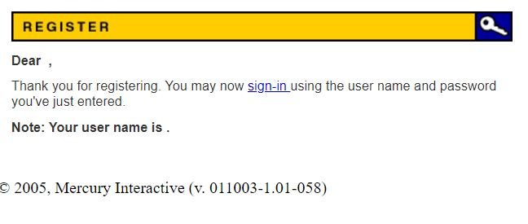 |  | 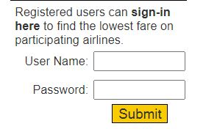 |  |  |  | 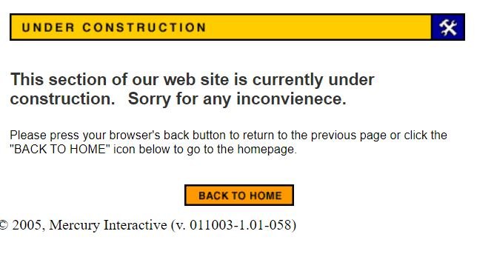 |  | 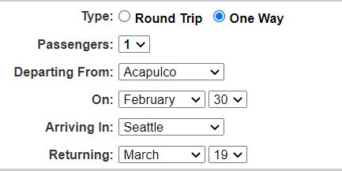 | 